Roles Breakdown
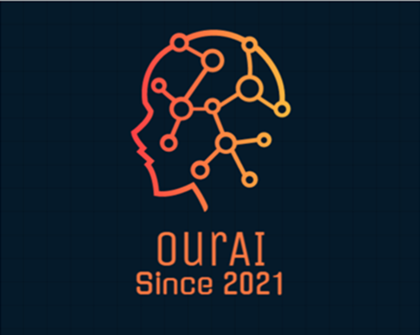
PROJECT TITLE | HOME AUTOMATION USING ARTIFICIAL INTELLIGENCE
PROJECT MANAGER | MAHESHWARMAN S/O BALAKRISHNAN (B031910007)
GROUP MEMBER(S) | MOHAMED TARIQ ALI BIN SALAMUDEEN ALI (B031910049)
COMPANY NAME | OurAI Sdn. Bhd.
DATE | 2021-12-04
GITHUB

 | ROLE(S)
MAHESHWARMAN | PROJECT MANAGER, PROCUREMENT MANAGER, PROJECT SCHEDULER, RISK MANAGER
MOHAMED TARIQ ALI | FINANCIAL ANALYST, QUALITY MANAGER, TECHNICAL MANAGER

